CM1 charts
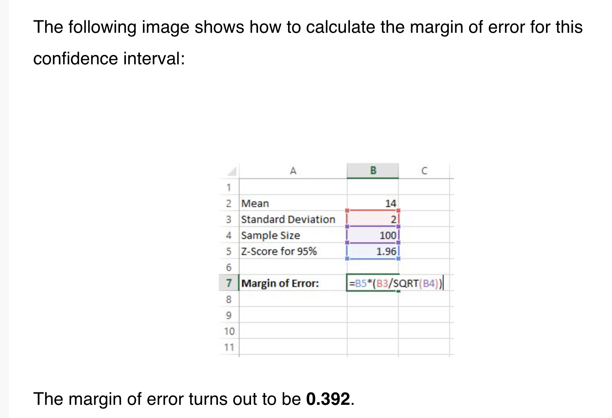
Academic Test French | Mean | Margin of error |  |  | Academic Test Math | Mean | Margin of error |  | Academic Test Average | Mean | Margin of error | Academic Test Average | Mean | Margin of error
Baseline French score, Intervention | 1.18 | 0.0696 |  |  | Baseline Math score, Intervention | 0.66 | 0.0617 |  | Intervention Pre-test CM1 | 0.92 |  | Intervention Pre-test CM1 | 0.92
Baseline French score, Control | 1.09 | 0.0839 | 8% |  | Baseline Math score, Control | 0.93 | 0.1025 | -29% | Control pre-test CM1 | 1.0115163148 |  | Control pre-test CM1
Endline French score, Intervention | 15.77 | 0.1887 |  |  | Endline Math score, Intervention | 15.10 | 0.1924 |  | Intervention post-test CM1 | 15.44 |  | Intervention post-test CM1
Endline French score, Control | 7.04 | 0.1685 | 124% |  | Endline Math score, Control | 5.64 | 0.1847 | 168% | Control post-test CM1 | 6.34 |  | Control post-test CM1 | 6.3373376623
Academic Test French
 | FRENCH |  |  |  | MATH
Margin of error: Z * σ / √n | CM1 bintrvF | CM1 bcntrlF | CM1 eintrvF | CM1 ecntrlF | CM1 bintrvM | CM1 bcntrlM | CM1 eintrvM | CM1 ecntrlM | CM1 eintrv | CM1 ecntrl
Z: Z-score | 1.96 | 1.96 | 1.96 | 1.96 | 1.96 | 1.96 | 1.96 | 1.96
σ: Population standard deviation | 1.2733121762 | 1.3822245082 | 3.4534819352 | 2.6347277729 | 1.129621321 | 1.6028434445 | 3.5223227616 | 2.8875284226
n: Sample size | 1287 | 1042 | 1287 | 939 | 1287 | 939 | 1287 | 939 | 1287 | 939

Math scores at baseline & endline, intervention vs. control girls in CM1

 | cm1intrvbfr
SDcm1intrv | 1.2733121762 | 1.129621321 | 0.99726902687 | 3.4534819352 | 3.5223227616 | 3.2177459034
SDcm1ctrl | 1.3822245082 | 1.6028434445 | 1.291559109 | 2.6347277729 | 2.8875284226 | #VALUE!

French scores at baseline & endline, intervention vs. control girls in CM1

Academic Test French | Mean | Margin of error |  |  | Academic Test Math | Mean | Margin of error |  | Academic Test Average | Mean | Margin of error | Academic Test Average | Mean | Margin of error
Intervention Pre-test CM2 |  |  |  |  | Intervention Pre-test CM2 |  |  |  | Intervention Pre-test CM2 |  |  | Intervention Pre-test CM1
Control pre-test CM2 |  |  |  |  | Control pre-test CM2 |  |  |  | Control pre-test CM2 |  |  | Control pre-test CM1
Intervention post-test CM2 |  |  |  |  | Intervention post-test CM2 |  |  |  | Intervention post-test CM2 |  |  | Intervention post-test CM1
Control post-test CM2 |  |  |  |  | Control post-test CM2 |  |  |  | Control post-test CM2 |  |  | Control post-test CM1

Returns the confidence interval for a population mean, using a Student's T distribution.
Syntax
CONFIDENCE.T(alpha,standard_dev,size)
▪ Alpha: is the significance level used to compute the confidence level, a number greater than 0 and less than 1.
▪ Standard_dev: is the population standard deviation for the data range and is assumed to be known. Standard_dev must be greater than 0.
▪ Size: is the sample size.

